Figure1
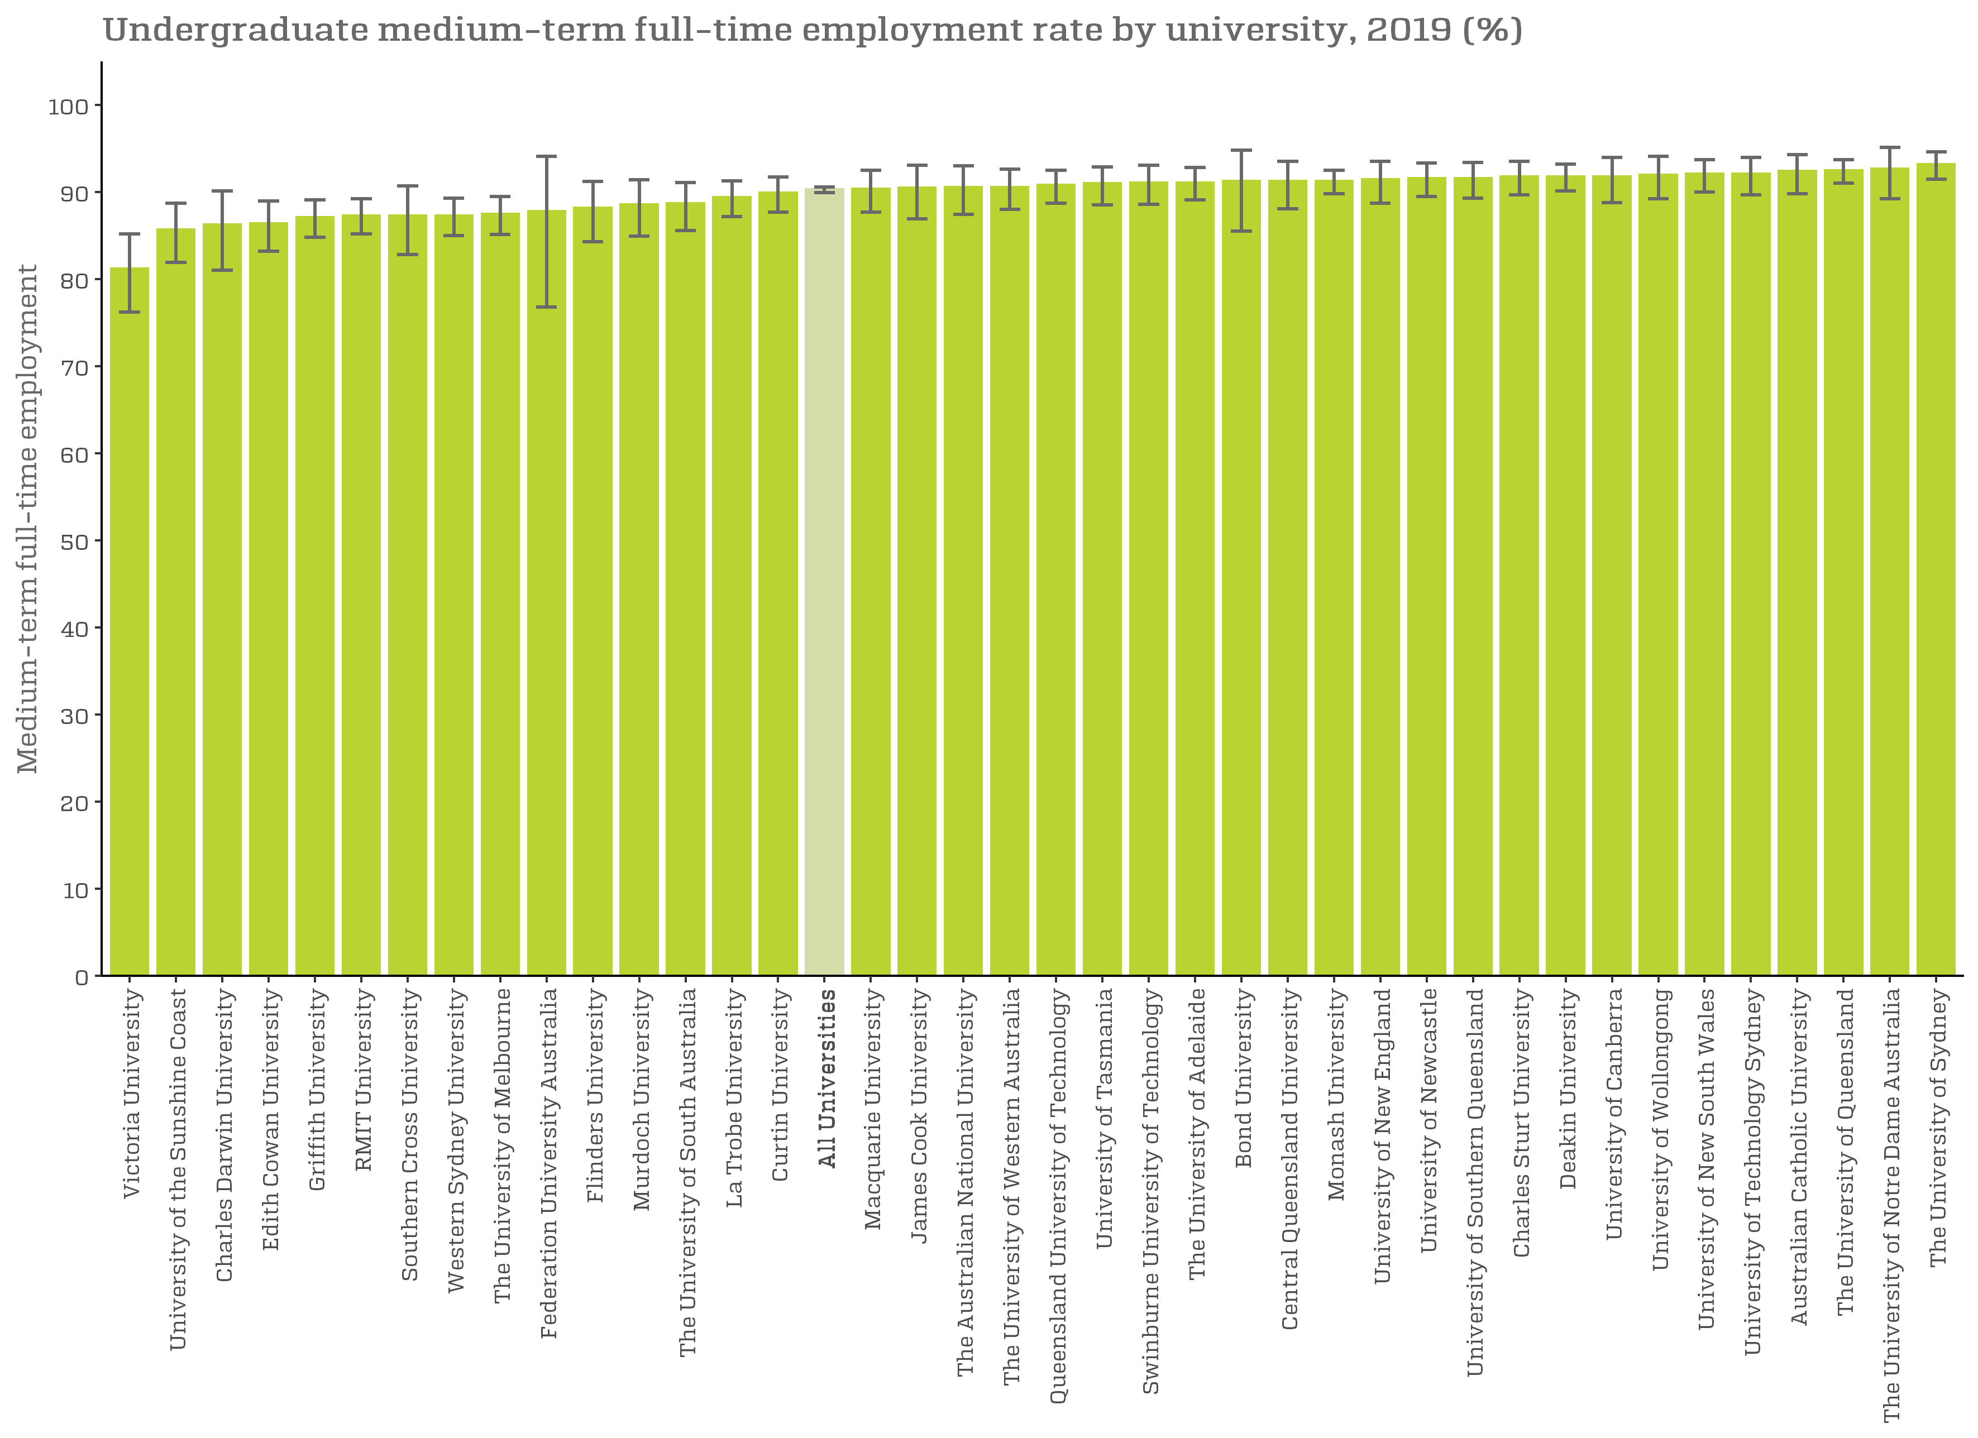
Undergraduate medium-term full-time employment rate by university, 2019 (%)

Figure1a
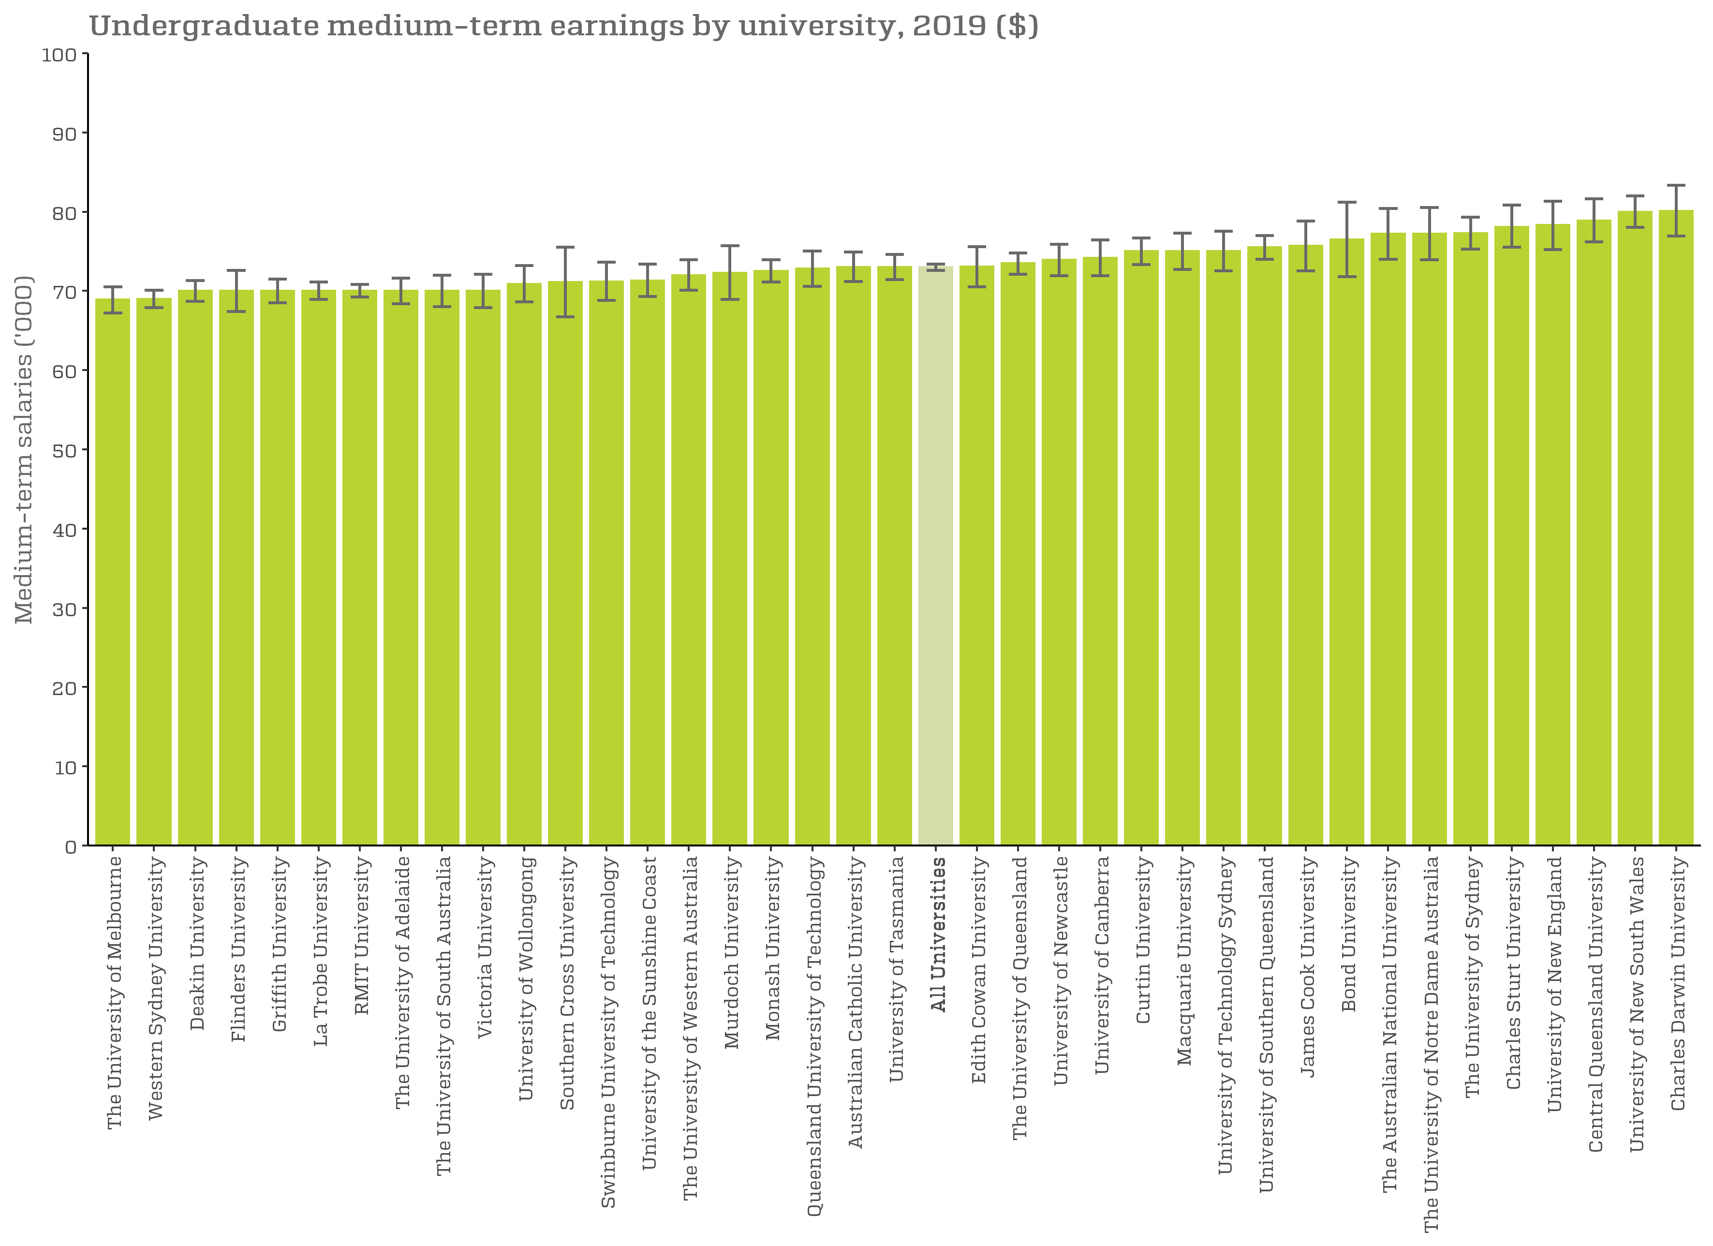
Undergraduate medium-term earnings by university, 2019 ($)

Figure1b
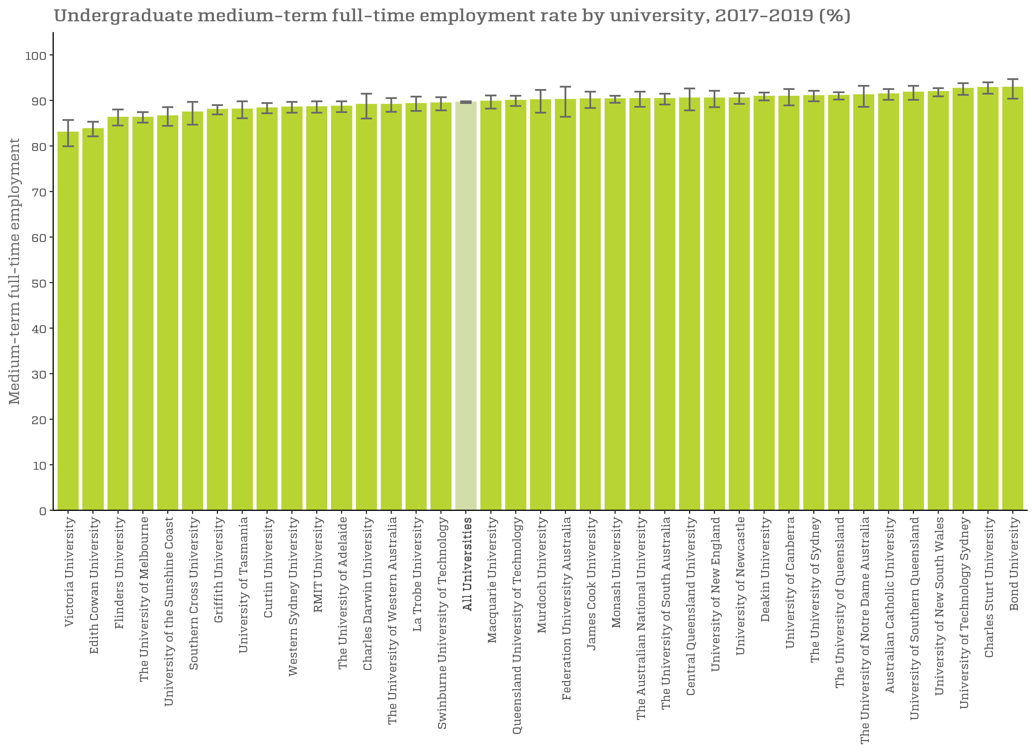
Undergraduate medium-term full-time employment rate by university, 2017-2019 (%)

Figure1c
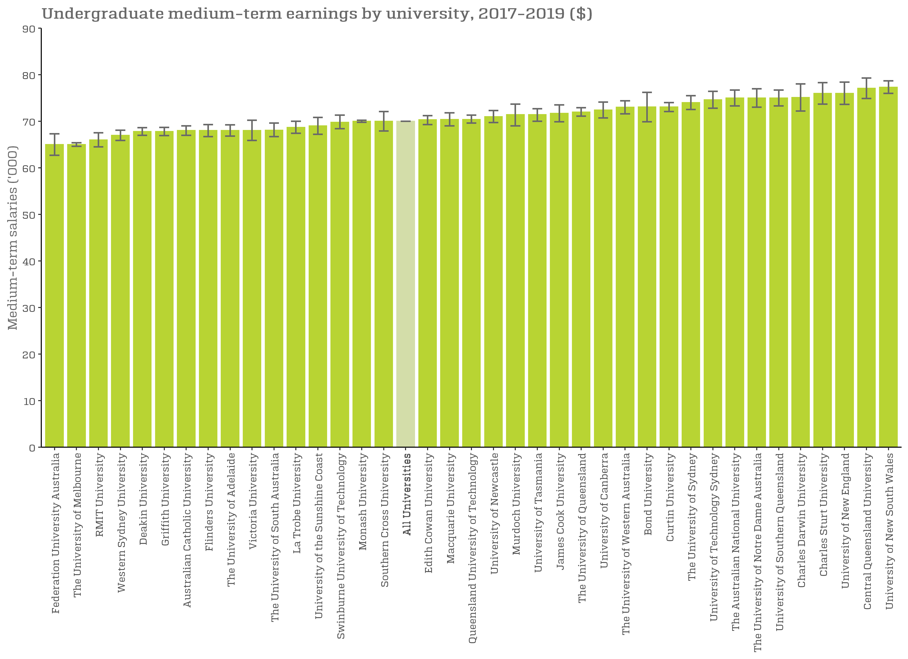
Undergraduate medium-term earnings by university, 2017-2019 ($)

Figure2
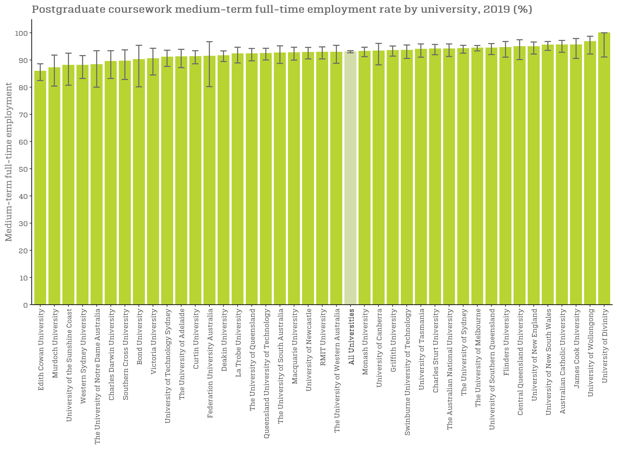
Postgraduate coursework medium-term full-time employment rate by university, 2019 (%)

Figure2a
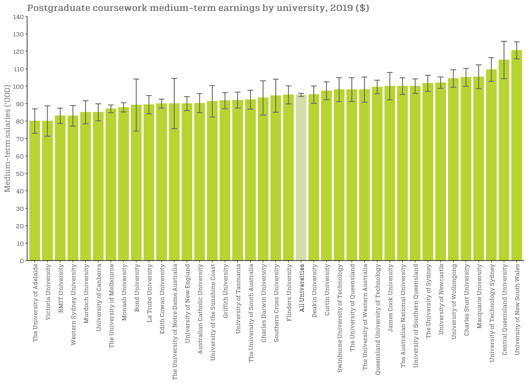
Postgraduate coursework medium-term earnings by university, 2019 ($)

Figure2b
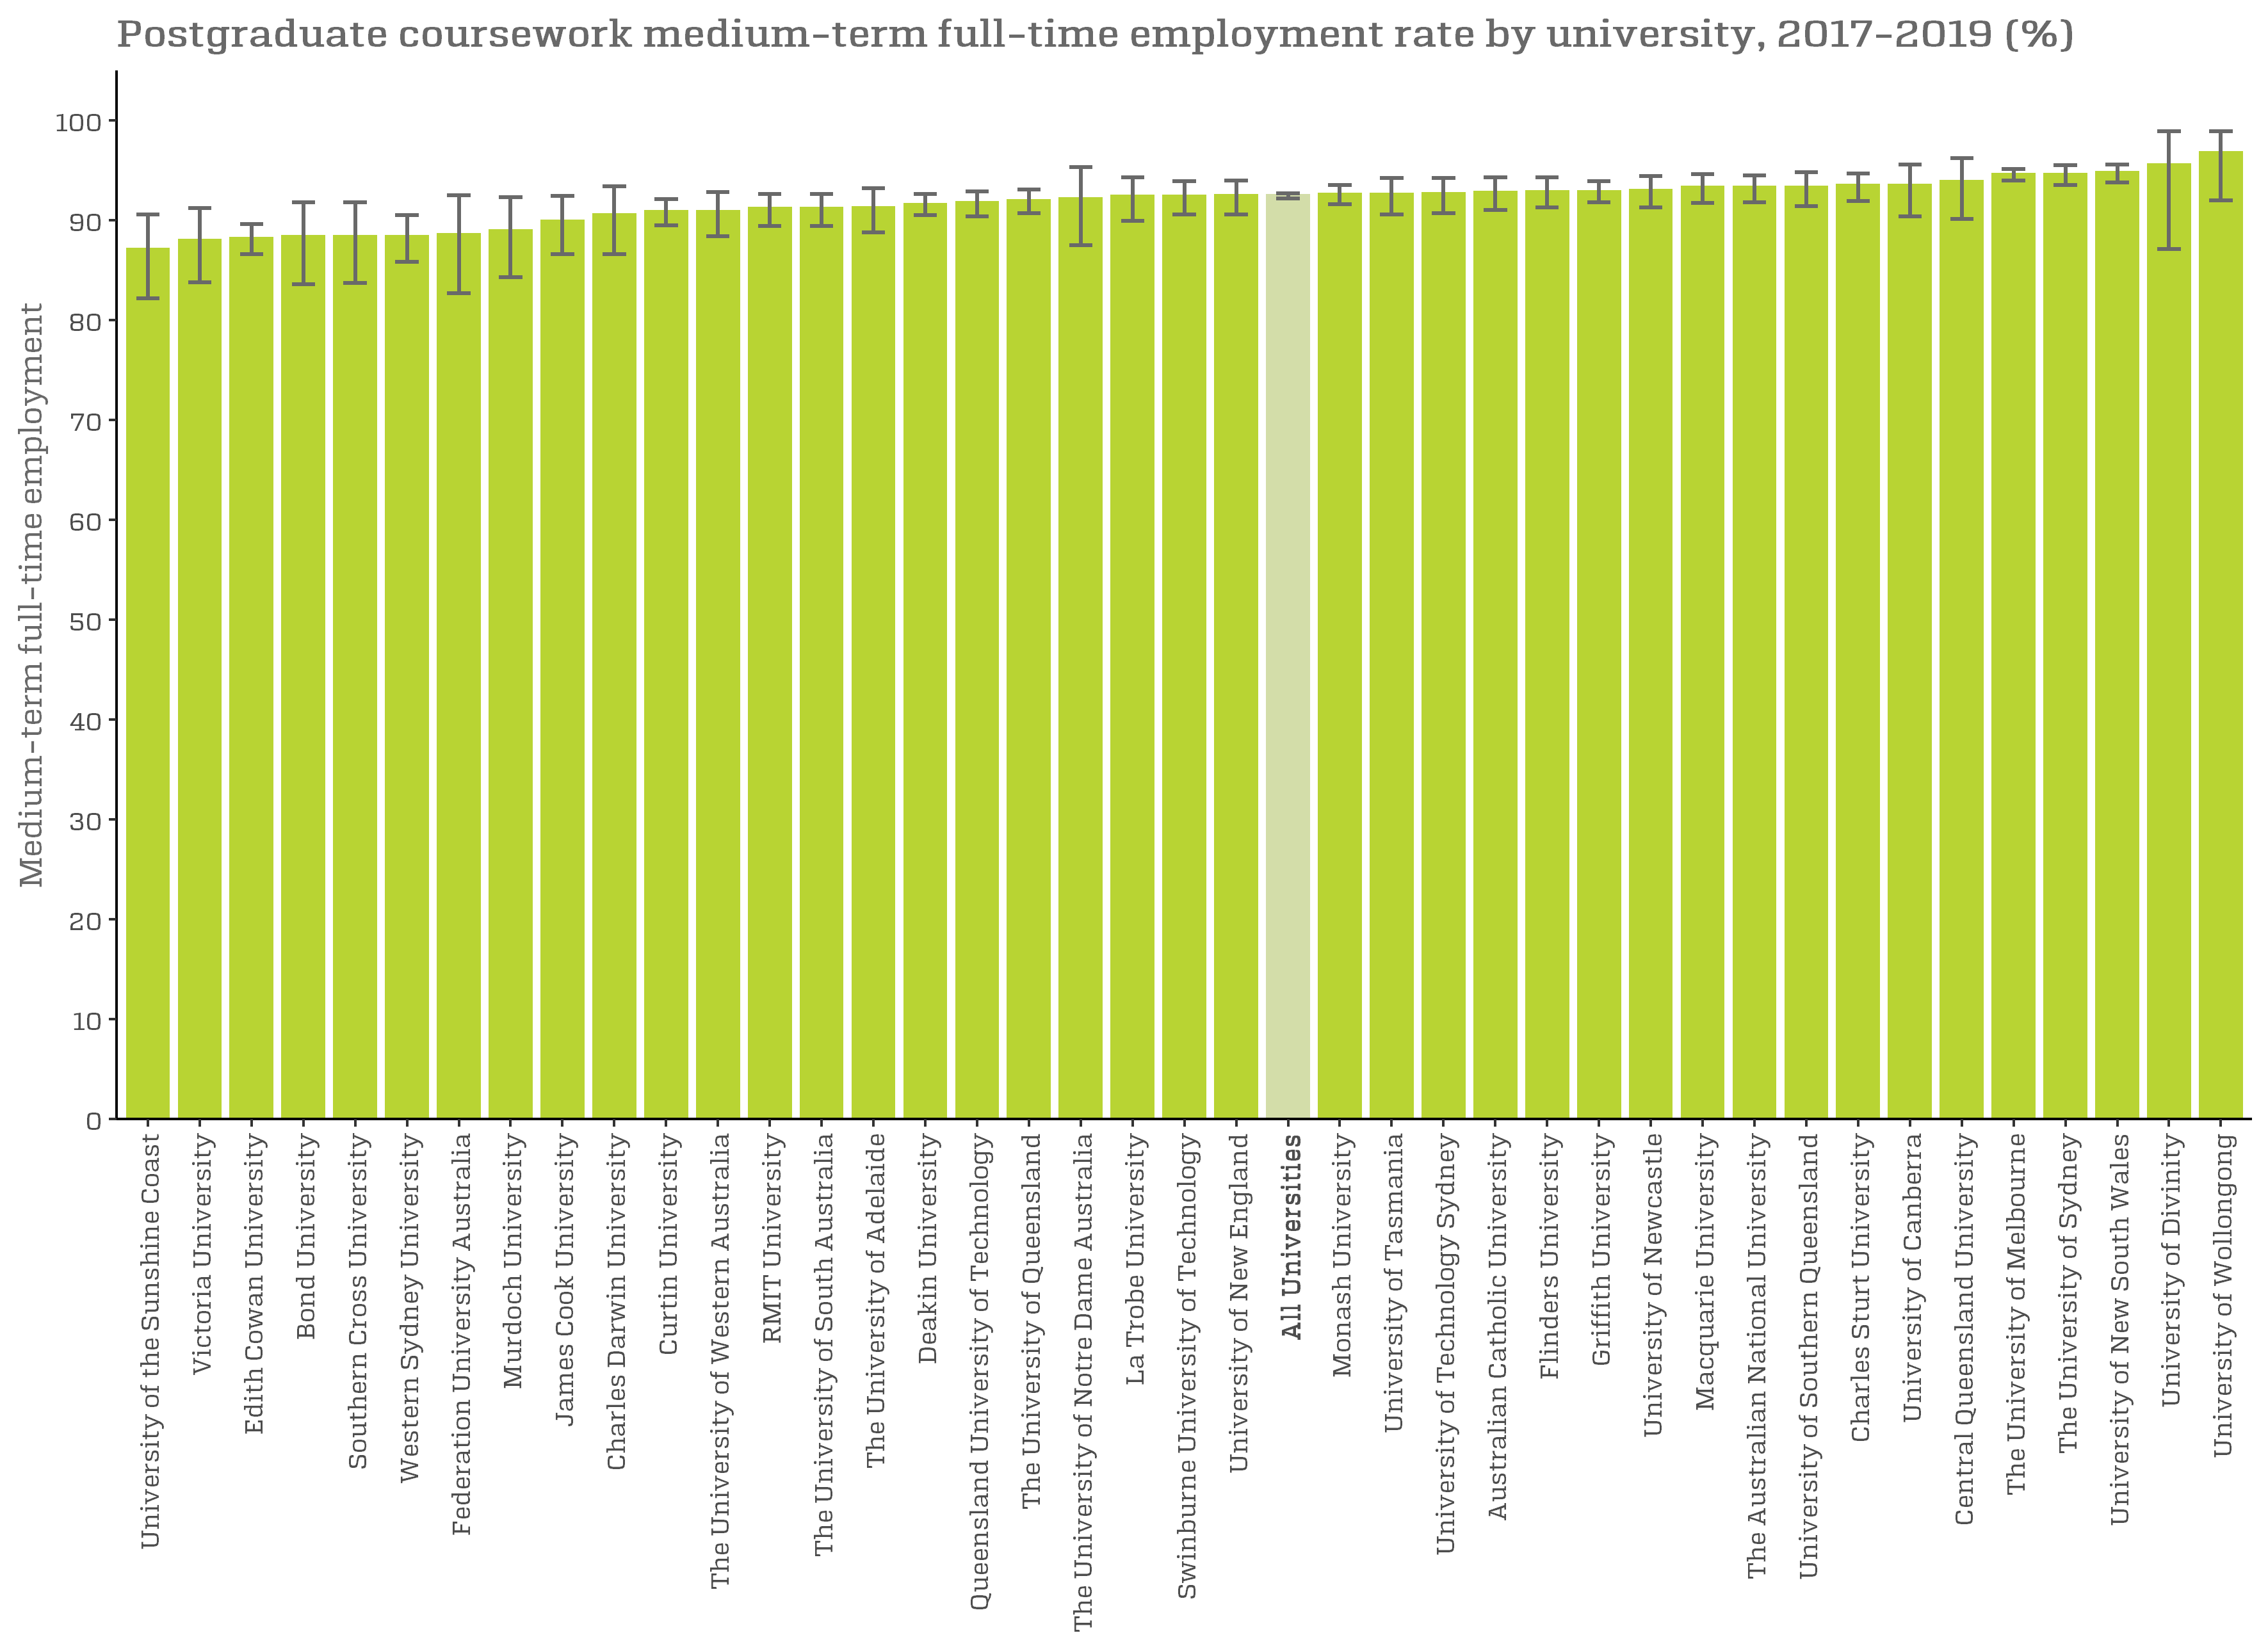
Postgraduate coursework medium-term full-time employment rate by university, 2017-2019 (%)

Figure2c
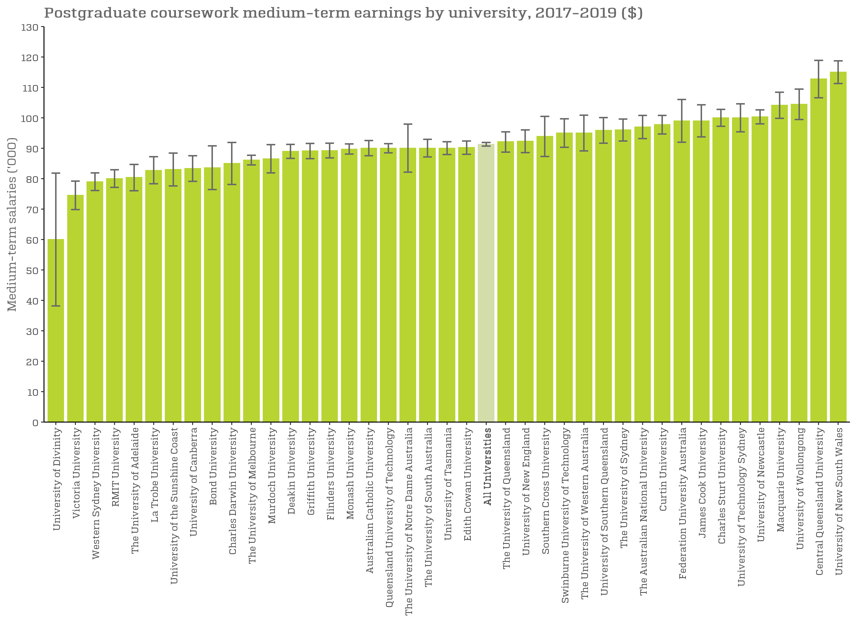
Postgraduate coursework medium-term earnings by university, 2017-2019 ($)

